bootloader
Interface | UART | Data Format
Baud Rate | 115200bps | ByteNum | CheckSum | data0 | data1 | … | dataN
communication format | 115200, N, 8, 1 | number of data bytes to send | data CheckSum
Program Address Offset | 0x4000(16k) | eg: Send a 0x20 PING command, the data frame is：0x03 0x20 0x20
Reset MCU After Program | Yes
Download file type | .bin
 |  | bootloader Download process
CMD |  | shake hands: 1.PC sends PING command: 03 20 20 2.BMS replies with ACK：00 CC Sending program address and .bin file size: 3.PC sends DOWNLOAD command: 0B DE 21 00 00 40 00 00 00 09 74 4.BMS replies with ACK：00 CC 5.PC sends COMMAND_GET_STATUS：03 23 23 CC 6.BMS replies：00 CC 03 40 40 Send .bin file data: 7.PC sends SEND_DATA：Num CK 24 xx xx xx 8.BMS replies with ACK：00 CC 9.PC sends COMMAND_GET_STATUS：03 23 23 CC 10.BMS replies：00 CC 03 40 40 11.The cycle is sent to the .bin data transmission is completed. Reset: 12.After the bin data is sent, sendCOMMAND_RESET： 03 25 25 13.BMS replies with ACK: 00 CC
COMMAND_PING,0x20 | 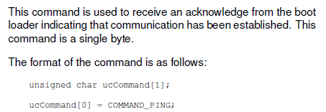
COMMAND_DOWNLOAD,0x21 | 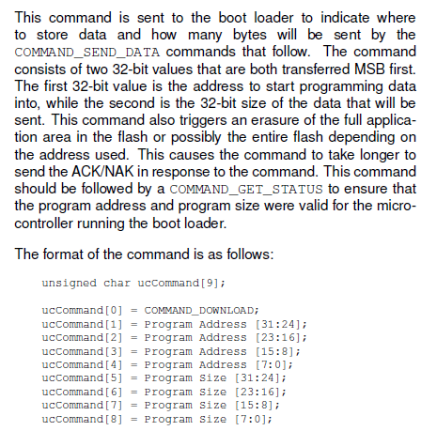
COMMAND_RUN,0x22 | 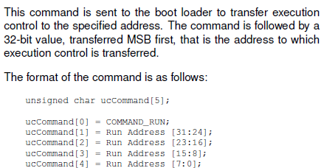
COMMAND_GET_STATUS,0x23 | 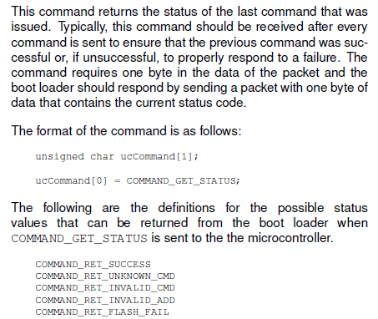
COMMAND_SEND_DATA,0x24 | 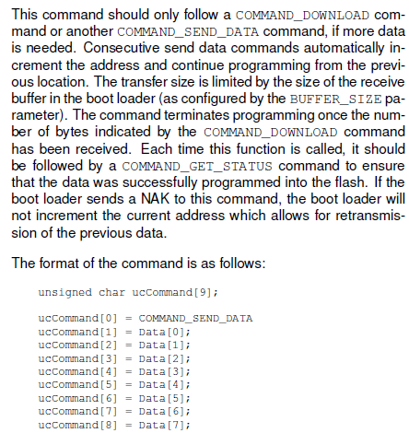
COMMAND_RESET,0x25 | 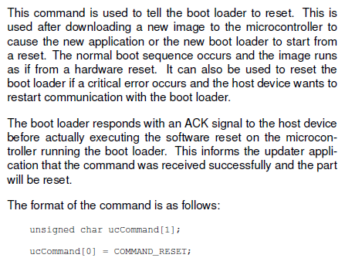
COMMAND_ACK,0xCC
COMMAND_NAK,0x33

